Assignment - World Map
Company | Continent | Revenue(BD) | x | y | Region | Revenue | Max Revenue | Select Company | Facebook
Microsoft | North America | 197 | 1.2 | 6.7 | North America | 135
Microsoft | South America | 115 | 2.2 | 4 | South America | 175 | 175
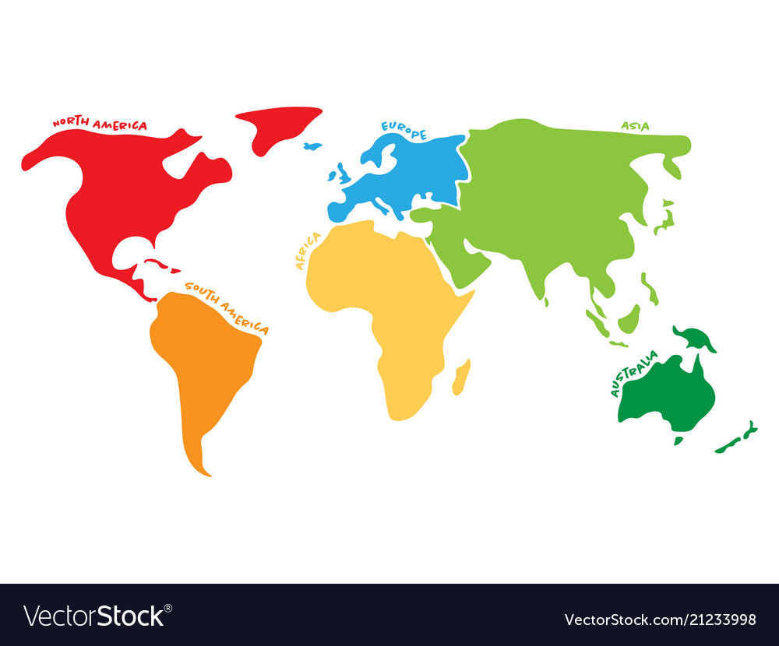
Microsoft | Europe | 61 | 4.5 | 7 | Europe | 129
Microsoft | Africa | 114 | 4.2 | 5 | Africa | 173
Microsoft | Asia | 187 | 5.75 | 6.75 | Asia | 51
Google | North America | 92
Google | South America | 200
Google | Europe | 71
Google | Africa | 92
Google | Asia | 61
Apple | North America | 112
Apple | South America | 89
Apple | Europe | 85
Apple | Africa | 198
Apple | Asia | 97
Amazon | North America | 197
Amazon | South America | 174
Amazon | Europe | 146
Amazon | Africa | 126
Amazon | Asia | 108
Facebook | North America | 135
Facebook | South America | 175
Facebook | Europe | 129
Facebook | Africa | 173
Facebook | Asia | 51

